Hoja1
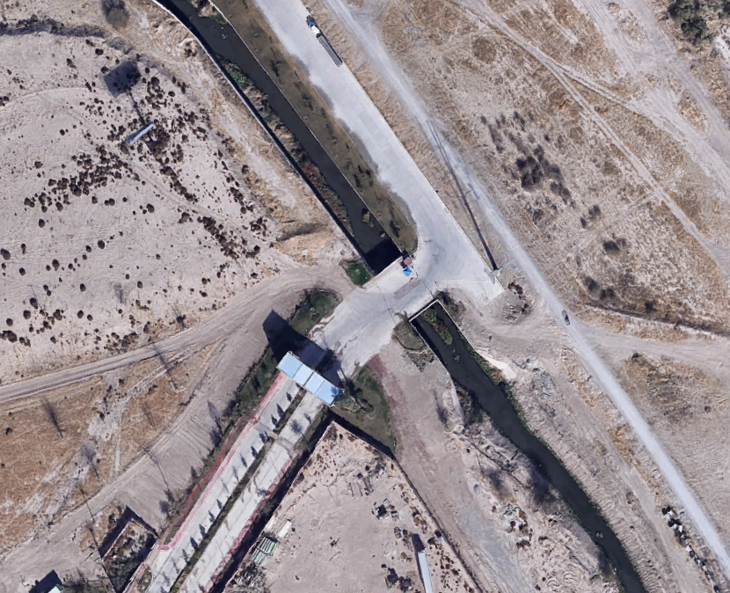
3
BLVD. ALTOZANO NTE
Hr/Mov | 1_2 |  |  | 1_3 |  |  | 2_1 |  |  | 2_3 |  |  | 3_1 |  |  | 3_2
 | A | B | C | A | B | C | A | B | C | A | B | C | A | B | C | A | B | C
6:45 AM - 7:00 AM | 1 | 0 | 0 | 4 | 0 | 0 | 0 | 0 | 0 | 10 | 0 | 0 | 3 | 0 | 0 | 0 | 0 | 0
7:00 AM - 7:15 AM | 0 | 0 | 0 | 6 | 0 | 0 | 1 | 0 | 0 | 36 | 0 | 0 | 2 | 0 | 0 | 0 | 0 | 0
7:15 AM - 7:30 AM | 0 | 0 | 0 | 5 | 0 | 0 | 2 | 0 | 0 | 201 | 0 | 0 | 3 | 0 | 0 | 2 | 0 | 0
7:30 AM - 7:45 AM | 0 | 0 | 0 | 9 | 0 | 0 | 1 | 0 | 0 | 252 | 0 | 0 | 10 | 0 | 0 | 3 | 0 | 0
TOTAL | 1 | 0 | 0 | 24 | 0 | 0 | 4 | 0 | 0 | 499 | 0 | 0 | 18 | 0 | 0 | 5 | 0 | 0
TOTALES | 1 |  |  | 24 |  |  | 4 |  |  | 499 |  |  | 18 |  |  | 5

BLVD. ALTOZANO NTE

2
1

